Comparison
30+ Delinquencies | Cumulative Net Loss

 | CRVNA 2020-P1 | CRVNA 2021-P1 | CRVNA 2021-P2 | CRVNA 2021-P3 | CRVNA 2021-P4 | CRVNA 2022-P1 | CRVNA 2022-P2 | CRVNA 2022-P3 | CRVNA 2023-P1 | CRVNA 2023-P2 | CRVNA 2023-P3 | CRVNA 2023-P4
 | 0.25% | 0.12% | 0.10% | 0.06% | 0.11% | 0.05% | 0.04% | 0.13% | 0.16% | 0.18% | 0.25% | 0.03%
 | 0.33% | 0.12% | 0.20% | 0.18% | 0.27% | 0.16% | 0.18% | 0.31% | 0.33% | 0.35% | 0.45% | 0.21%
 | 0.31% | 0.20% | 0.30% | 0.30% | 0.40% | 0.28% | 0.30% | 0.45% | 0.44% | 0.68% | 0.89% | 0.47%
 | 0.31% | 0.25% | 0.37% | 0.49% | 0.44% | 0.46% | 0.46% | 0.76% | 0.69% | 1.10% | 1.22% | 1.00%
 | 0.29% | 0.38% | 0.53% | 0.67% | 0.45% | 0.59% | 0.56% | 1.04% | 0.92% | 1.41% | 1.60% | 1.16%
 | 0.44% | 0.44% | 0.58% | 0.66% | 0.59% | 0.74% | 0.82% | 0.91% | 1.35% | 1.78% | 1.69% | 1.19%
 | 0.52% | 0.51% | 0.76% | 0.75% | 0.78% | 0.79% | 1.06% | 1.00% | 1.58% | 2.01% | 1.78% | 1.68%
 | 0.72% | 0.60% | 0.90% | 0.81% | 0.97% | 1.04% | 1.32% | 1.21% | 1.71% | 2.33% | 1.98% | 1.63%
 | 0.82% | 0.82% | 0.96% | 1.09% | 1.20% | 1.15% | 1.45% | 1.38% | 1.85% | 2.36% | 2.08% | 1.79%
 | 0.84% | 1.05% | 1.03% | 1.22% | 1.17% | 1.41% | 1.33% | 1.56% | 2.07% | 2.18% | 2.35% | 1.88%
 | 0.98% | 1.19% | 1.14% | 1.46% | 1.40% | 1.52% | 1.51% | 1.93% | 2.41% | 2.34% | 2.73% | 2.24%
 | 1.29% | 1.34% | 1.37% | 1.70% | 1.66% | 1.60% | 1.66% | 2.09% | 2.41% | 2.73% | 2.98% | 2.14%
 | 1.52% | 1.32% | 1.55% | 1.66% | 1.96% | 1.65% | 2.01% | 2.05% | 2.46% | 2.96% | 2.90% | 2.42%
 | 1.52% | 1.31% | 1.75% | 1.98% | 2.05% | 1.76% | 2.21% | 2.40% | 2.73% | 3.29% | 3.41% | 2.87%
 | 1.30% | 1.45% | 1.97% | 2.12% | 1.87% | 2.14% | 2.54% | 2.48% | 2.90% | 3.69% | 3.95% | 3.01%
 | 1.45% | 1.64% | 1.72% | 2.49% | 2.02% | 2.31% | 2.68% | 2.97% | 3.38% | 3.50% | 3.73% | 3.70%
 | 1.38% | 1.63% | 1.97% | 2.57% | 2.27% | 2.49% | 2.90% | 3.38% | 3.31% | 3.80% | 4.25% | 3.53%
 | 1.68% | 1.63% | 2.25% | 2.20% | 2.66% | 2.64% | 3.42% | 2.83% | 3.38% | 4.21% | 4.28% | 3.59%
 | 1.87% | 1.61% | 2.58% | 2.50% | 2.78% | 2.76% | 3.30% | 2.85% | 3.58% | 4.42% | 4.53% | 3.95%
 | 2.01% | 1.83% | 2.75% | 2.53% | 3.22% | 3.19% | 3.63% | 3.22% | 3.77% | 5.07% | 4.48% | 4.38%
 | 2.16% | 2.11% | 2.42% | 2.92% | 3.23% | 3.35% | 3.89% | 3.31% | 4.05% | 5.02% | 4.36%
 | 1.88% | 2.40% | 2.59% | 3.11% | 3.32% | 3.68% | 3.51% | 3.41% | 4.25% | 4.73%
 | 2.06% | 2.49% | 2.64% | 3.42% | 3.66% | 3.74% | 3.55% | 4.25% | 4.23% | 5.05%
 | 2.42% | 2.54% | 2.88% | 3.43% | 3.59% | 3.35% | 3.79% | 4.21% | 3.99% | 5.06%
 | 2.71% | 2.36% | 3.13% | 3.57% | 4.01% | 3.40% | 4.09% | 4.05% | 4.21%
 | 2.81% | 2.60% | 3.61% | 4.01% | 4.15% | 3.63% | 4.38% | 4.12% | 4.18%
 | 2.44% | 2.77% | 3.59% | 4.10% | 3.68% | 3.75% | 4.57% | 4.04% | 4.15%
 | 2.56% | 2.85% | 3.69% | 4.51% | 3.87% | 3.90% | 4.45% | 4.85%
 | 2.69% | 3.22% | 4.18% | 4.51% | 4.13% | 4.35% | 4.62% | 4.53%
 | 3.07% | 3.31% | 4.16% | 4.11% | 4.48% | 4.18% | 5.35% | 4.67%
 | 3.12% | 3.54% | 4.65% | 4.25% | 4.97% | 4.50% | 5.21% | 4.81%
 | 3.39% | 3.73% | 4.57% | 4.51% | 5.31% | 4.48% | 5.67% | 4.67%
 | 3.69% | 3.64% | 4.19% | 4.64% | 4.93% | 4.58% | 5.51%
 | 4.03% | 4.21% | 4.28% | 5.02% | 5.18% | 5.05% | 5.09%
 | 4.35% | 4.14% | 4.61% | 5.34% | 5.51% | 4.96% | 5.36%
 | 4.29% | 3.80% | 4.87% | 5.10% | 5.61% | 4.92% | 5.48%
 | 4.70% | 3.81% | 5.27% | 5.50% | 6.43% | 5.19%
 | 4.78% | 4.43% | 5.69% | 5.63% | 5.97% | 5.25%
 | 4.49% | 4.60% | 5.74% | 5.71% | 5.65%
 | 4.57% | 4.94% | 6.05% | 6.25% | 5.92%
 | 4.92% | 5.46% | 6.33% | 6.02% | 5.82%
 | 4.91% | 5.30% | 6.41% | 5.67%
 | 5.08% | 5.53% | 7.13% | 5.90%
 | 5.31% | 5.77% | 6.85% | 6.09%
 | 5.15% | 5.91% | 6.58%
 | 5.06% | 6.23% | 6.61%
 | 5.54% | 5.92% | 6.62%
 | 5.59% | 5.93%
 | 6.17% | 6.24%
 | 6.02% | 6.30%
...
 | CRVNA 2020-P1 | CRVNA 2021-P1 | CRVNA 2021-P2 | CRVNA 2021-P3 | CRVNA 2021-P4 | CRVNA 2022-P1 | CRVNA 2022-P2 | CRVNA 2022-P3 | CRVNA 2023-P1 | CRVNA 2023-P2 | CRVNA 2023-P3 | CRVNA 2023-P4
 | 0.01% | 0.00% | 0.00% | 0.00% | 0.00% | 0.00% | 0.00% | 0.02% | 0.00% | 0.00% | 0.00% | 0.00%
 | 0.03% | 0.00% | 0.01% | 0.01% | 0.01% | 0.01% | 0.01% | 0.03% | 0.00% | 0.00% | 0.01% | 0.00%
 | 0.06% | 0.02% | 0.02% | 0.03% | 0.02% | 0.02% | 0.02% | 0.10% | 0.01% | 0.03% | 0.02% | 0.01%
 | 0.11% | 0.05% | 0.05% | 0.06% | 0.08% | 0.05% | 0.05% | 0.14% | 0.06% | 0.06% | 0.05% | 0.02%
 | 0.16% | 0.07% | 0.10% | 0.10% | 0.13% | 0.10% | 0.09% | 0.16% | 0.13% | 0.12% | 0.15% | 0.12%
 | 0.18% | 0.11% | 0.12% | 0.15% | 0.17% | 0.13% | 0.14% | 0.28% | 0.19% | 0.21% | 0.26% | 0.20%
 | 0.19% | 0.12% | 0.17% | 0.17% | 0.21% | 0.20% | 0.22% | 0.37% | 0.24% | 0.33% | 0.34% | 0.24%
 | 0.20% | 0.18% | 0.18% | 0.20% | 0.26% | 0.28% | 0.27% | 0.42% | 0.34% | 0.46% | 0.53% | 0.38%
 | 0.24% | 0.20% | 0.21% | 0.24% | 0.29% | 0.34% | 0.30% | 0.50% | 0.47% | 0.63% | 0.64% | 0.50%
 | 0.30% | 0.24% | 0.24% | 0.26% | 0.33% | 0.38% | 0.33% | 0.56% | 0.54% | 0.74% | 0.72% | 0.59%
 | 0.31% | 0.29% | 0.27% | 0.29% | 0.38% | 0.40% | 0.41% | 0.63% | 0.65% | 0.86% | 0.89% | 0.69%
 | 0.34% | 0.32% | 0.27% | 0.35% | 0.43% | 0.46% | 0.47% | 0.78% | 0.78% | 0.94% | 0.99% | 0.76%
 | 0.39% | 0.33% | 0.31% | 0.41% | 0.49% | 0.51% | 0.51% | 0.83% | 0.84% | 1.03% | 1.14% | 0.88%
 | 0.41% | 0.37% | 0.33% | 0.46% | 0.52% | 0.57% | 0.60% | 0.93% | 0.96% | 1.15% | 1.26% | 0.99%
 | 0.45% | 0.37% | 0.38% | 0.53% | 0.56% | 0.64% | 0.70% | 1.00% | 1.05% | 1.32% | 1.43% | 1.11%
 | 0.50% | 0.37% | 0.43% | 0.61% | 0.62% | 0.72% | 0.81% | 1.11% | 1.15% | 1.46% | 1.63% | 1.17%
 | 0.52% | 0.45% | 0.47% | 0.63% | 0.68% | 0.81% | 0.88% | 1.19% | 1.32% | 1.57% | 1.73% | 1.32%
 | 0.51% | 0.52% | 0.54% | 0.68% | 0.73% | 0.92% | 0.94% | 1.29% | 1.40% | 1.69% | 1.90% | 1.42%
 | 0.52% | 0.54% | 0.58% | 0.72% | 0.79% | 0.99% | 1.10% | 1.46% | 1.55% | 1.80% | 2.04% | 1.54%
 | 0.54% | 0.55% | 0.62% | 0.76% | 0.86% | 1.07% | 1.21% | 1.54% | 1.64% | 1.94% | 2.16% | 1.68%
 | 0.59% | 0.58% | 0.68% | 0.80% | 0.96% | 1.13% | 1.33% | 1.64% | 1.77% | 2.08% | 2.34%
 | 0.65% | 0.62% | 0.74% | 0.86% | 1.00% | 1.24% | 1.43% | 1.71% | 1.86% | 2.19%
 | 0.69% | 0.65% | 0.78% | 0.92% | 1.08% | 1.34% | 1.51% | 1.78% | 2.01% | 2.38%
 | 0.73% | 0.67% | 0.79% | 0.99% | 1.14% | 1.38% | 1.59% | 1.89% | 2.11% | 2.48%
 | 0.77% | 0.71% | 0.84% | 1.05% | 1.21% | 1.47% | 1.65% | 2.00% | 2.12%
 | 0.77% | 0.77% | 0.86% | 1.13% | 1.30% | 1.52% | 1.76% | 2.11% | 2.27%
 | 0.80% | 0.80% | 0.91% | 1.21% | 1.34% | 1.60% | 1.82% | 2.23% | 2.38%
 | 0.87% | 0.83% | 0.96% | 1.26% | 1.41% | 1.67% | 1.93% | 2.29%
 | 0.89% | 0.87% | 1.00% | 1.34% | 1.44% | 1.72% | 1.99% | 2.33%
 | 0.90% | 0.91% | 1.05% | 1.36% | 1.48% | 1.78% | 2.07% | 2.44%
 | 0.91% | 0.95% | 1.08% | 1.40% | 1.52% | 1.83% | 2.17% | 2.57%
 | 0.93% | 1.02% | 1.13% | 1.46% | 1.59% | 1.91% | 2.24% | 2.68%
 | 0.98% | 1.04% | 1.14% | 1.52% | 1.69% | 1.95% | 2.35%
 | 1.00% | 1.09% | 1.18% | 1.57% | 1.76% | 2.04% | 2.40%
 | 1.02% | 1.10% | 1.19% | 1.62% | 1.83% | 2.09% | 2.50%
 | 1.08% | 1.12% | 1.22% | 1.69% | 1.91% | 2.14% | 2.54%
 | 1.15% | 1.13% | 1.23% | 1.73% | 1.95% | 2.20%
 | 1.18% | 1.14% | 1.28% | 1.80% | 2.01% | 2.25%
 | 1.18% | 1.16% | 1.31% | 1.85% | 2.07%
 | 1.19% | 1.20% | 1.34% | 1.90% | 2.13%
 | 1.19% | 1.23% | 1.39% | 1.97% | 2.18%
 | 1.20% | 1.28% | 1.42% | 2.02%
 | 1.22% | 1.30% | 1.47% | 2.07%
 | 1.26% | 1.31% | 1.51% | 2.10%
 | 1.29% | 1.33% | 1.53%
 | 1.32% | 1.36% | 1.55%
 | 1.35% | 1.40% | 1.59%
 | 1.37% | 1.40%
 | 1.40% | 1.42%
 | 1.44% | 1.43%
...

Extensions

 | CRVNA 2020-P1 | CRVNA 2021-P1 | CRVNA 2021-P2 | CRVNA 2021-P3 | CRVNA 2021-P4 | CRVNA 2022-P1 | CRVNA 2022-P2 | CRVNA 2022-P3 | CRVNA 2023-P1 | CRVNA 2023-P2 | CRVNA 2023-P3 | CRVNA 2023-P4
 | 0.00% | 0.00% | 0.00% | 0.00% | 0.00% | 0.00% | 0.00% | 0.00% | 0.00% | 0.00% | 0.00% | 0.00%
 | 0.02% | 0.02% | 0.01% | 0.01% | 0.05% | 0.01% | 0.00% | 0.02% | 0.01% | 0.01% | 0.05% | 0.04%
 | 0.08% | 0.02% | 0.03% | 0.02% | 0.05% | 0.03% | 0.02% | 0.01% | 0.02% | 0.02% | 0.04% | 0.02%
 | 0.09% | 0.02% | 0.06% | 0.05% | 0.04% | 0.01% | 0.06% | 0.02% | 0.02% | 0.01% | 0.04% | 0.01%
 | 0.06% | 0.03% | 0.06% | 0.09% | 0.05% | 0.07% | 0.04% | 0.03% | 0.01% | 0.06% | 0.07% | 0.01%
 | 0.07% | 0.05% | 0.09% | 0.12% | 0.09% | 0.19% | 0.13% | 0.07% | 0.06% | 0.11% | 0.10% | 0.01%
 | 0.08% | 0.12% | 0.20% | 0.14% | 0.19% | 0.29% | 0.19% | 0.07% | 0.16% | 0.16% | 0.28% | 0.04%
 | 0.07% | 0.11% | 0.22% | 0.13% | 0.36% | 0.34% | 0.28% | 0.23% | 0.19% | 0.33% | 0.28% | 0.22%
 | 0.09% | 0.18% | 0.15% | 0.19% | 0.36% | 0.28% | 0.26% | 0.24% | 0.28% | 0.55% | 0.50% | 0.43%
 | 0.12% | 0.15% | 0.17% | 0.29% | 0.48% | 0.29% | 0.15% | 0.19% | 0.38% | 0.51% | 0.67% | 0.42%
 | 0.14% | 0.22% | 0.09% | 0.36% | 0.41% | 0.25% | 0.17% | 0.35% | 0.33% | 0.29% | 0.46% | 0.61%
 | 0.17% | 0.09% | 0.23% | 0.40% | 0.30% | 0.22% | 0.25% | 0.43% | 0.41% | 0.33% | 0.87% | 0.88%
 | 0.14% | 0.14% | 0.24% | 0.48% | 0.41% | 0.24% | 0.25% | 0.43% | 0.46% | 0.41% | 0.92% | 0.91%
 | 0.20% | 0.17% | 0.37% | 0.44% | 0.31% | 0.30% | 0.33% | 0.30% | 0.31% | 0.55% | 0.85% | 0.99%
 | 0.20% | 0.13% | 0.42% | 0.38% | 0.24% | 0.32% | 0.43% | 0.29% | 0.49% | 0.67% | 1.06% | 0.74%
 | 0.11% | 0.31% | 0.51% | 0.34% | 0.21% | 0.26% | 0.44% | 0.34% | 0.39% | 1.02% | 0.75% | 0.82%
 | 0.14% | 0.33% | 0.35% | 0.37% | 0.38% | 0.40% | 0.30% | 0.47% | 0.36% | 0.97% | 1.08% | 0.96%
 | 0.15% | 0.41% | 0.41% | 0.31% | 0.24% | 0.50% | 0.41% | 0.49% | 0.73% | 1.05% | 0.86% | 0.54%
 | 0.24% | 0.45% | 0.41% | 0.31% | 0.33% | 0.45% | 0.40% | 0.36% | 0.57% | 0.87% | 0.77% | 0.57%
 | 0.25% | 0.39% | 0.27% | 0.38% | 0.42% | 0.37% | 0.45% | 0.36% | 0.93% | 1.03% | 0.88% | 0.92%
 | 0.39% | 0.32% | 0.33% | 0.30% | 0.44% | 0.29% | 0.48% | 0.38% | 0.97% | 1.32% | 0.95%
 | 0.41% | 0.31% | 0.23% | 0.27% | 0.41% | 0.38% | 0.53% | 0.43% | 0.93% | 0.55%
 | 0.39% | 0.27% | 0.29% | 0.42% | 0.52% | 0.47% | 0.35% | 0.51% | 0.89% | 0.80%
 | 0.25% | 0.29% | 0.32% | 0.53% | 0.59% | 0.57% | 0.35% | 0.75% | 1.03% | 1.09%
 | 0.33% | 0.18% | 0.27% | 0.37% | 0.43% | 0.31% | 0.44% | 0.90% | 0.42%
 | 0.37% | 0.22% | 0.52% | 0.52% | 0.55% | 0.46% | 0.45% | 0.84% | 0.75%
 | 0.23% | 0.24% | 0.57% | 0.47% | 0.63% | 0.44% | 0.72% | 0.83% | 0.78%
 | 0.20% | 0.17% | 0.41% | 0.51% | 0.46% | 0.44% | 0.90% | 0.84%
 | 0.31% | 0.29% | 0.49% | 0.57% | 0.47% | 0.58% | 0.88% | 1.17%
 | 0.39% | 0.45% | 0.51% | 0.57% | 0.45% | 0.86% | 1.09% | 0.63%
 | 0.34% | 0.35% | 0.45% | 0.39% | 0.44% | 0.95% | 0.78% | 0.68%
 | 0.42% | 0.44% | 0.51% | 0.44% | 0.68% | 1.13% | 0.97% | 1.09%
 | 0.25% | 0.54% | 0.48% | 0.52% | 0.98% | 0.84% | 1.09%
 | 0.38% | 0.35% | 0.52% | 0.48% | 0.89% | 0.79% | 0.57%
 | 0.34% | 0.45% | 0.36% | 0.65% | 0.97% | 0.91% | 0.71%
 | 0.56% | 0.51% | 0.61% | 0.93% | 0.85% | 0.62% | 0.80%
 | 0.42% | 0.48% | 0.59% | 0.99% | 0.95% | 0.79%
 | 0.47% | 0.46% | 0.73% | 0.97% | 1.14% | 1.09%
 | 0.46% | 0.30% | 0.88% | 0.89% | 0.65%
 | 0.35% | 0.38% | 0.96% | 0.78% | 0.77%
 | 0.28% | 0.52% | 1.04% | 1.01% | 1.00%
 | 0.54% | 0.70% | 0.79% | 0.67%
 | 0.43% | 0.82% | 0.87% | 0.81%
 | 0.75% | 1.09% | 0.89% | 1.01%
 | 0.66% | 0.67% | 0.57%
 | 0.75% | 0.81% | 0.89%
 | 0.75% | 1.05% | 0.90%
 | 0.49% | 0.80%
 | 0.69% | 0.79%
 | 0.78% | 0.89%
...

CRVNA 2020-P1
Deal Notes
Carvana Auto Receivables Trust 2020-P1:
- Target overcollateralization: The overcollateralization (“O/C”) target is 1.50% of the initial pool balance.
- Target reserve: The required reserve amount is 0.50% of the initial pool balance. This is a non-declining reserve account which will continue to make up a greater percentage of the pool balance as the pool amortizes.
Commentary:
- Based upon performance to date, KBRA projects losses to be 1.60%, unchanged from the level projected during the prior review (December 2024).
- O/C reached the target in month three (February 2021) and has remained at the target since. O/C is 16.55% of the current pool balance.
- The current reserve amount is 5.52% of the current pool balance.

CNL Analysis
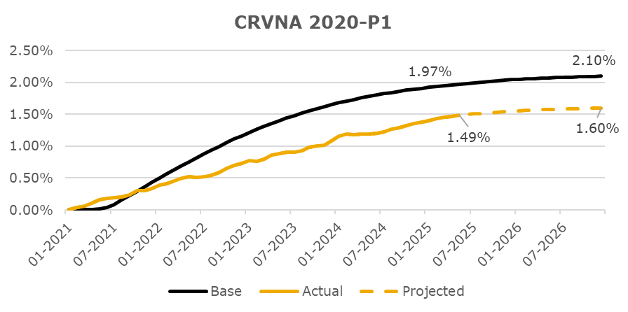

Rating Sensitivity Analysis
The ratings on CRVNA 2020-P1 will continue to be monitored through the life of the transaction. If performance of the transaction, including losses, differs meaningfully from the expected levels, KBRA may consider making a rating change. The remaining investment grade classes have ample credit support and are well insulated from negative rating migration even with a significant increase in CNL. It should be noted that many factors, including economic stress, market conditions and servicing operations can impact the performance of the loan pool and influence rating decisions, both positively and negatively. Furthermore, KBRA considers the current credit enhancement available to the transaction as well as KBRA’s assumptions regarding the timing of losses.

CRVNA 2021-P1
Deal Notes
Carvana Auto Receivables Trust 2021-P1:
- Target overcollateralization: The overcollateralization (“O/C”) target is 1.10% of the initial pool balance.
- Target reserve: The required reserve amount is 0.50% of the initial pool balance. This is a non-declining reserve account which will continue to make up a greater percentage of the pool balance as the pool amortizes.
Commentary:
- Based upon performance to date, KBRA projects losses to be 1.60%, unchanged from the level projected during the prior review (December 2024).
- O/C reached the target in month two (April 2021) and has remained at the target since. O/C is 9.27% of the current pool balance.
- The current reserve amount is 4.22% of the current pool balance.

CNL Analysis
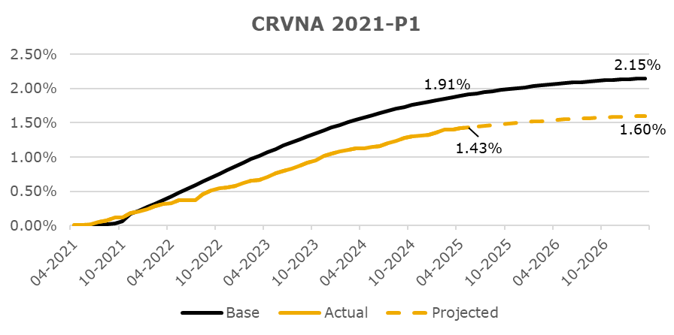

Rating Sensitivity Analysis
The ratings on CRVNA 2021-P1 will continue to be monitored through the life of the transaction. If performance of the transaction, including losses, differs meaningfully from the expected levels, KBRA may consider making a rating change. The remaining investment grade classes have ample credit support and are well insulated from negative rating migration even with a significant increase in CNL. It should be noted that many factors, including economic stress, market conditions and servicing operations can impact the performance of the loan pool and influence rating decisions, both positively and negatively. Furthermore, KBRA considers the current credit enhancement available to the transaction as well as KBRA’s assumptions regarding the timing of losses.

CRVNA 2021-P2
Deal Notes
Carvana Auto Receivables Trust 2021-P2:
- Target overcollateralization: The overcollateralization (“O/C”) target is 1.40% of the initial pool balance.
- Target reserve: The required reserve amount is 0.50% of the initial pool balance. This is a non-declining reserve account which will continue to make up a greater percentage of the pool balance as the pool amortizes.
Commentary:
- Based upon performance to date, KBRA projects losses to be 1.80%, an increase from the level projected during the prior review (December 2024).
- O/C reached the target in month three (August 2021) and has remained at the target since. O/C is 8.80% of the current pool balance.
- The current reserve amount is 3.14% of the current pool balance.

CNL Analysis
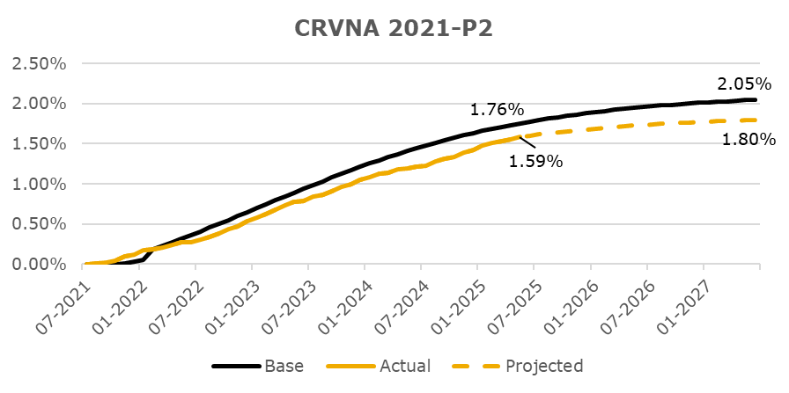

Rating Sensitivity Analysis
The ratings on CRVNA 2021-P2 will continue to be monitored through the life of the transaction. If performance of the transaction, including losses, differs meaningfully from the expected levels, KBRA may consider making a rating change. The remaining investment grade classes have ample credit support and are well insulated from negative rating migration even with a significant increase in CNL. It should be noted that many factors, including economic stress, market conditions and servicing operations can impact the performance of the loan pool and influence rating decisions, both positively and negatively. Furthermore, KBRA considers the current credit enhancement available to the transaction as well as KBRA’s assumptions regarding the timing of losses.

CRVNA 2021-P3
Deal Notes
Carvana Auto Receivables Trust 2021-P3:
- Target overcollateralization: The overcollateralization (“O/C”) target is 0.35% of the initial pool balance.
- Target reserve: The required reserve amount is 0.50% of the initial pool balance. This is a non-declining reserve account which will continue to make up a greater percentage of the pool balance as the pool amortizes.
Commentary:
- Based upon performance to date, KBRA projects losses to be 2.40%, an increase from the level projected during the prior review (December 2024).
- O/C reached the target in month two (October 2021) and has remained at the target since. O/C is 1.72% of the current pool balance.
- The current reserve amount is 2.46% of the current pool balance.

CNL Analysis
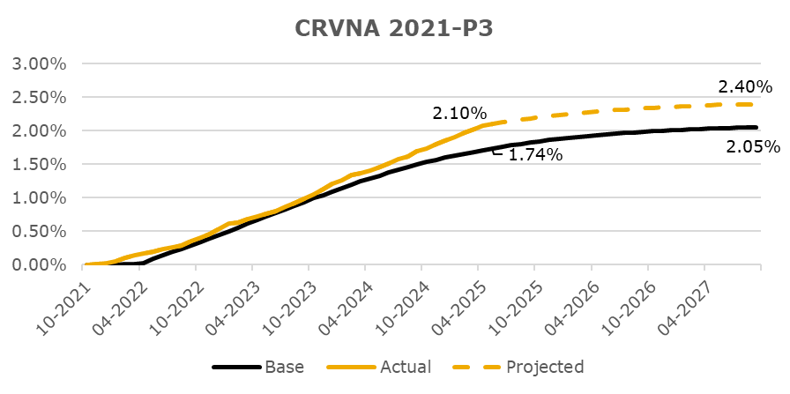

Rating Sensitivity Analysis

CRVNA 2021-P4
Deal Notes
Carvana Auto Receivables Trust 2021-P4:
- Target overcollateralization: The overcollateralization (“O/C”) target is 0.35% of the initial pool balance.
- Target reserve: The required reserve amount is 0.50% of the initial pool balance. This is a non-declining reserve account which will continue to make up a greater percentage of the pool balance as the pool amortizes.
Commentary:
- Based upon performance to date, KBRA projects losses to be 2.60%, an increase from the level projected during the prior review (December 2024).
- O/C reached the target in month two (January 2022) and has remained at the target since. O/C is 1.50% of the current pool balance.
- The current reserve amount is 2.15% of the current pool balance.

CNL Analysis
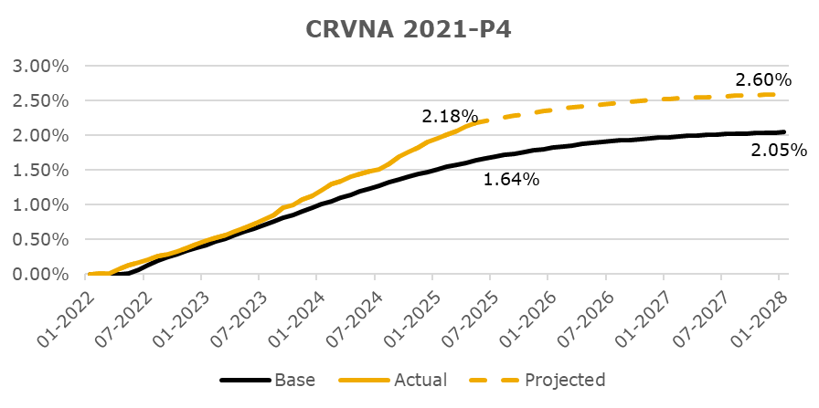

Rating Sensitivity Analysis

CRVNA 2022-P1
Deal Notes
Carvana Auto Receivables Trust 2022-P1:
- Target overcollateralization: The overcollateralization (“O/C”) target is 1.70% of the initial pool balance.
- Target reserve: The required reserve amount is 0.60% of the initial pool balance. This is a non-declining reserve account which will continue to make up a greater percentage of the pool balance as the pool amortizes.
Commentary:
- Based upon performance to date, KBRA projects losses to be 2.85%, an increase from the level projected during the prior review (December 2024).
- O/C reached the target in month four (July 2022) and has remained at the target since. O/C is 5.96% of the current pool balance.
- The current reserve amount is 2.10% of the current pool balance.

CNL Analysis
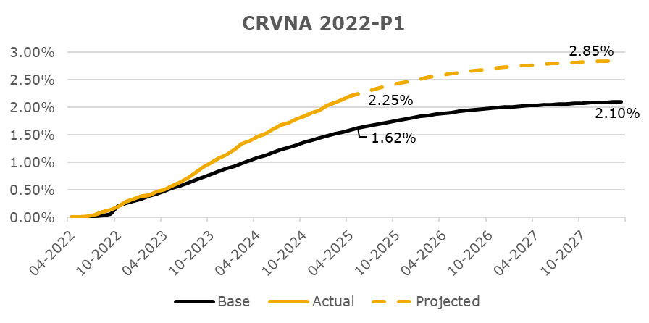

Rating Sensitivity Analysis

CRVNA 2022-P2
Deal Notes
Carvana Auto Receivables Trust 2022-P2:
- Target overcollateralization: The overcollateralization (“O/C”) target is 1.35% of the initial pool balance.
- Target reserve: The required reserve amount is 0.65% of the initial pool balance. This is a non-declining reserve account which will continue to make up a greater percentage of the pool balance as the pool amortizes.
Commentary:
- Based upon performance to date, KBRA projects losses to be 3.25%, an increase from the level projected during the prior review (December 2024).
- O/C reached the target in month five (October 2022) and has remained at the target since. O/C is 4.40% of the current pool balance.
- The current reserve amount is 2.12% of the current pool balance.

CNL Analysis
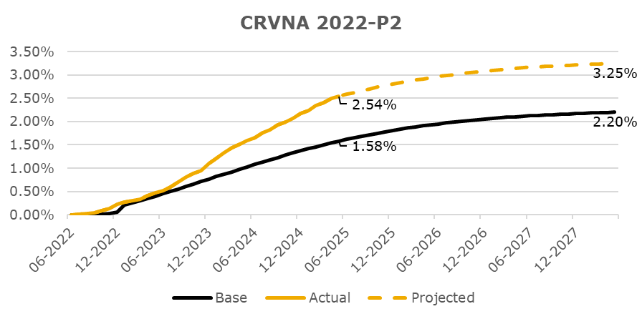

Rating Sensitivity Analysis

CRVNA 2022-P3
Deal Notes
Carvana Auto Receivables Trust 2022-P3:
- Target overcollateralization: The overcollateralization (“O/C”) target is 1.35% of the initial pool balance.
- Target reserve: The required reserve amount is 0.50% of the initial pool balance. This is a non-declining reserve account which will continue to make up a greater percentage of the pool balance as the pool amortizes.
Commentary:
- Based upon performance to date, KBRA projects losses to be 3.65%, an increase from the level projected during the prior review (December 2024).
- O/C reached the target in month four (January 2023) and has remained at the target since. O/C is 3.70% of the current pool balance.
- The current reserve amount is 1.37% of the current pool balance and is eligible for all notes except the Class N.

CNL Analysis
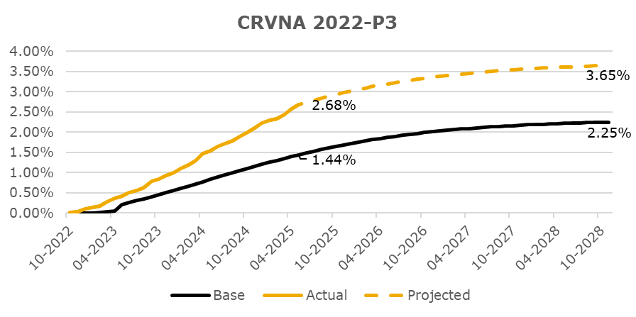

Rating Sensitivity Analysis

CRVNA 2023-P1
Deal Notes
Carvana Auto Receivables Trust 2023-P1:
- Target overcollateralization: The overcollateralization (“O/C”) target is 1.35% of the initial pool balance.
- Target reserve: The required reserve amount is 0.50% of the initial pool balance. This is a non-declining reserve account which will continue to make up a greater percentage of the pool balance as the pool amortizes.
Commentary:
- Based upon performance to date, KBRA projects losses to be 3.75%, an increase from the level projected during the prior review (December 2024).
- O/C reached the target in month four (June 2023) and has remained at the target since. O/C is 3.11% of the current pool balance.
- The current reserve amount is 1.15% of the current pool balance.

CNL Analysis
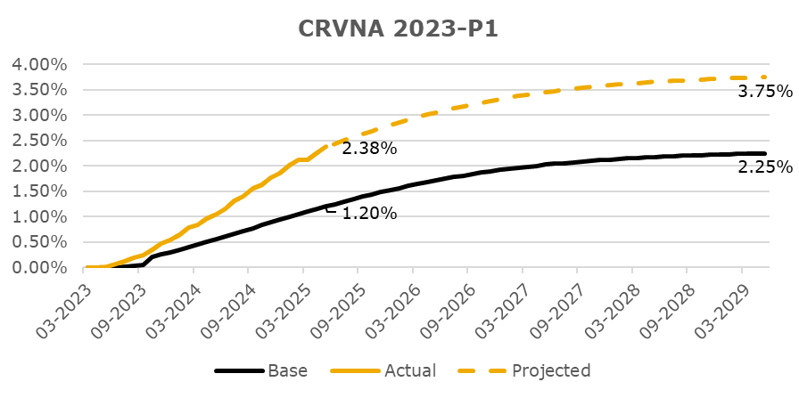

Rating Sensitivity Analysis

CRVNA 2023-P2
Deal Notes
Carvana Auto Receivables Trust 2023-P2:
- Target overcollateralization: The overcollateralization (“O/C”) target is 0.35% of the initial pool balance.
- Target reserve: The required reserve amount is 0.50% of the initial pool balance. This is a non-declining reserve account which will continue to make up a greater percentage of the pool balance as the pool amortizes.
Commentary:
- Based upon performance to date, KBRA projects losses to be 4.00%, an increase from the level projected during the prior review (December 2024).
- O/C reached the target in month one (June 2023) and has remained at the target since. O/C is 0.72% of the current pool balance.
- The current reserve amount is 1.03% of the current pool balance.

CNL Analysis
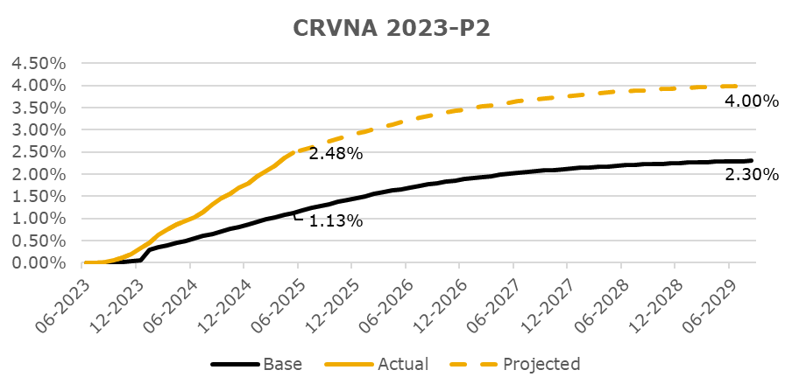

Rating Sensitivity Analysis

CRVNA 2023-P3
Deal Notes
Carvana Auto Receivables Trust 2023-P3:
- Target overcollateralization: The overcollateralization (“O/C”) target is 0.35% of the initial pool balance.
- Target reserve: The required reserve amount is 0.50% of the initial pool balance. This is a non-declining reserve account which will continue to make up a greater percentage of the pool balance as the pool amortizes.
Commentary:
- Based upon performance to date, KBRA projects losses to be 4.15%, an increase from the level projected during the prior review (December 2024).
- O/C reached the target in month one (September 2023) and has remained at the target since. O/C is 0.64% of the current pool balance.
- The current reserve amount is 0.91% of the current pool balance.

CNL Analysis
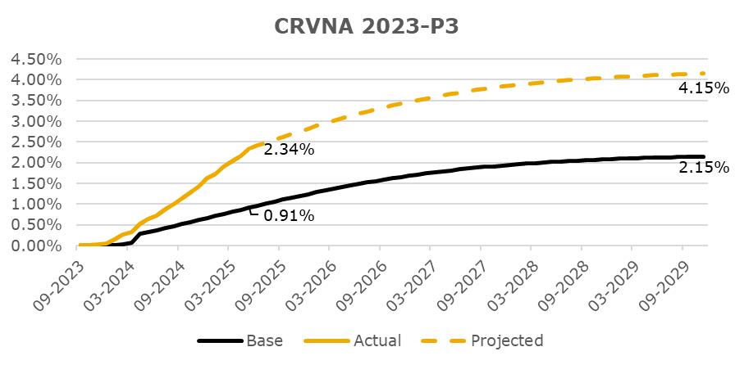

Rating Sensitivity Analysis

CRVNA 2023-P4
Deal Notes
Carvana Auto Receivables Trust 2023-P4:
- Target overcollateralization: The overcollateralization (“O/C”) target is 0.35% of the initial pool balance.
- Target reserve: The required reserve amount is 0.50% of the initial pool balance. This is a non-declining reserve account which will continue to make up a greater percentage of the pool balance as the pool amortizes.
Commentary:
- Based upon performance to date, KBRA projects losses to be 3.75%, an increase from the level projected during the prior review (December 2024).
- O/C reached the target in month one (October 2023) and has remained at the target since. O/C is 0.63% of the current pool balance.
- The current reserve amount is 0.90% of the current pool balance.

CNL Analysis
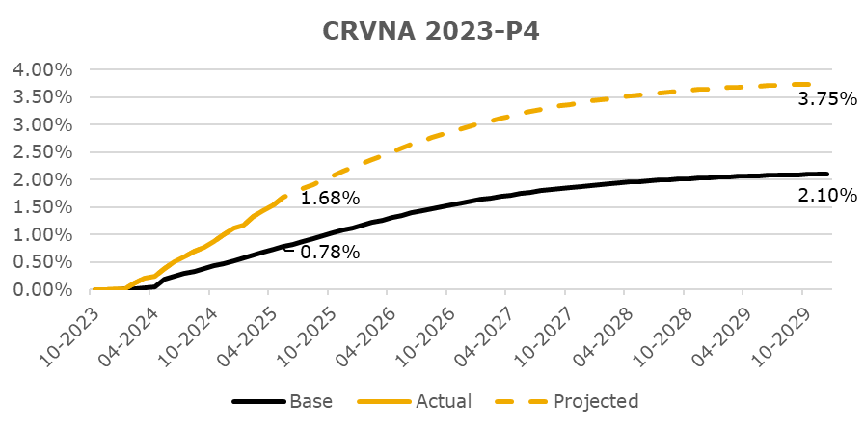

Rating Sensitivity Analysis

CRVNA 2023-P5
Deal Notes
Carvana Auto Receivables Trust 2023-P5:
- Target overcollateralization: The overcollateralization (“O/C”) target is 0.35% of the initial pool balance.
- Target reserve: The required reserve amount is 0.50% of the initial pool balance. This is a non-declining reserve account which will continue to make up a greater percentage of the pool balance as the pool amortizes.
Commentary:
- Based upon performance to date, KBRA projects losses to be 3.35%, an increase from the level projected during the prior review (December 2024).
- O/C reached the target in month one (January 2024) and has remained at the target since. O/C is 0.58% of the current pool balance.
- The current reserve amount is 0.82% of the current pool balance.

CNL Analysis
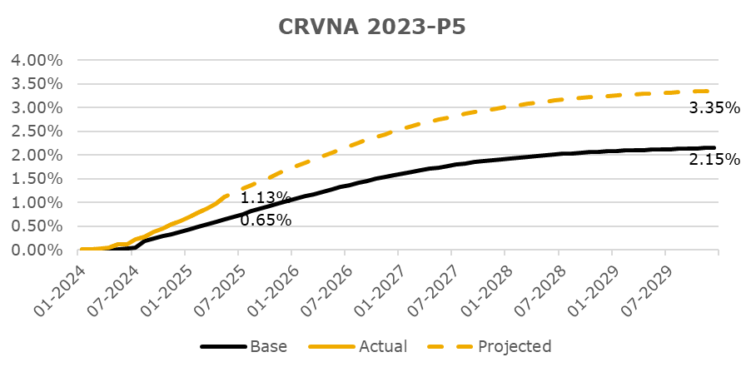

Rating Sensitivity Analysis

CRVNA 2024-P1
Deal Notes
Carvana Auto Receivables Trust 2024-P1:
- Target overcollateralization: The overcollateralization (“O/C”) target is 0.20% of the initial pool balance.
- Target reserve: The required reserve amount is 0.50% of the initial pool balance. This is a non-declining reserve account which will continue to make up a greater percentage of the pool balance as the pool amortizes.
Commentary:
- Based upon performance to date, KBRA projects losses to be 3.25%, an increase from the level projected during the prior review (December 2024).
- O/C reached the target in month one (April 2024) and has remained at the target since. O/C is 0.30% of the current pool balance.
- The current reserve amount is 0.76% of the current pool balance.

CNL Analysis
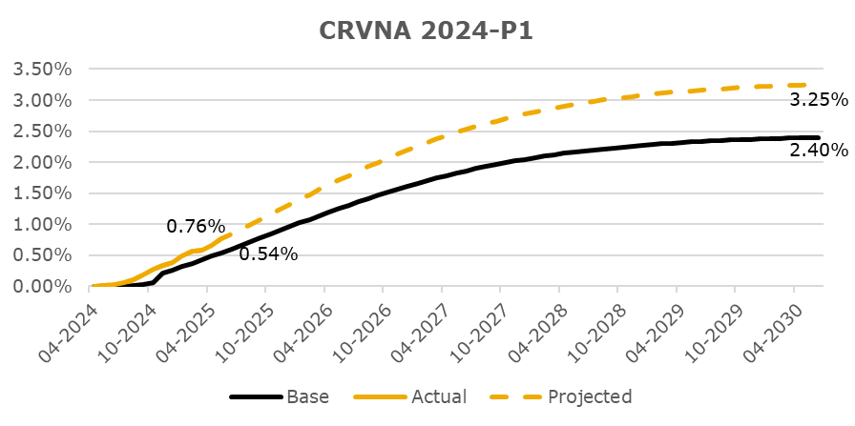

Rating Sensitivity Analysis

CRVNA 2024-P2
Deal Notes
Carvana Auto Receivables Trust 2024-P2:
- Target overcollateralization: The overcollateralization (“O/C”) target is 0.20% of the initial pool balance.
- Target reserve: The required reserve amount is 0.50% of the initial pool balance. This is a non-declining reserve account which will continue to make up a greater percentage of the pool balance as the pool amortizes.
Commentary:
- Based upon performance to date, KBRA projects losses to be 3.00%, an increase from the level projected during at closing (June 2024).
- O/C reached the target in month one (July 2024) and has remained at the target since. O/C is 0.29% of the current pool balance.
- The current reserve amount is 0.73% of the current pool balance.

CNL Analysis
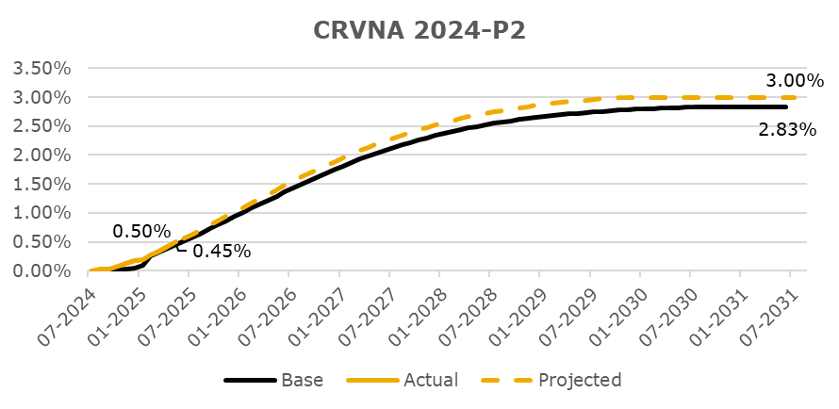

Rating Sensitivity Analysis

